Test Case Report
Test Case Report
Project Name | BDShop
Module name | Home, User Management
Test Report Chart
Written By | Hasin Anjum Pabon
Executed By | Hasin Anjum Pabon
Reviewed By | Hasin Anjum Pabon

Test Execution Report
 | Pass | Failed | Not Executed | Out Of Scope | Total Test Cases
 | 14 | 29 | 1 | 0 | 44
Grand Total | 14 | 29 | 1 | 0 | 44

MindMap
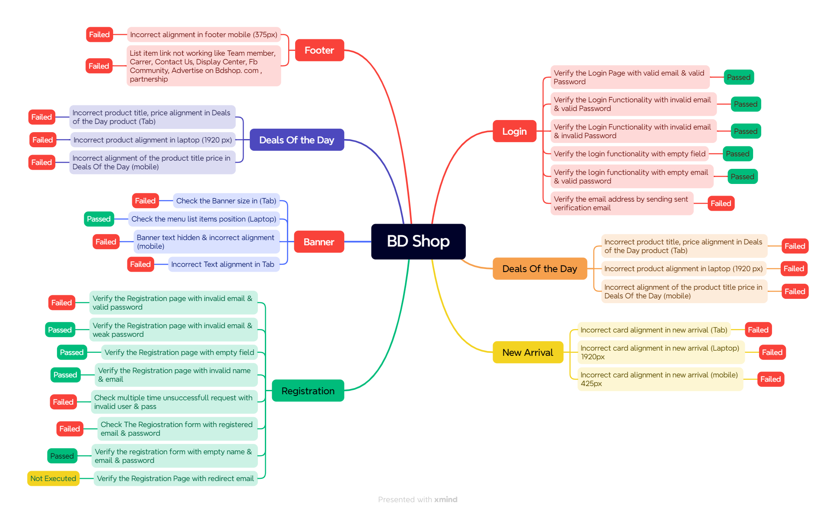
MindMap

